EET
 | EUROPEAN ESG TEMPLATE - EET V1.1.3- 2026 04 10
Disclaimer:
This template is made available by FinDatEx free of charge. Its use is entirely voluntary and does not create any obligation to adopt or apply it.
FinDatEx does not assert any intellectual property rights or copyright. The name “Financial Data Exchange”, “FinDatEx” and any FinDatEx logos or trademarks may not be used without prior written permission.
The template has been developed to facilitate data exchange between market participants. It is provided for informational and practical purposes only and does not constitute legal, regulatory, tax, or investment advice. Use of the template does not ensure or imply compliance with any applicable laws or regulations. Each user remains solely responsible for assessing and ensuring compliance with all applicable legal and regulatory requirements.
The template is non-binding and may be adapted by users at their own discretion and risk. FinDatEx does not verify, endorse, or assume responsibility for any modifications made to the template or for any data exchanged using it.
The template is provided “as is” without any representation or warranty of any kind, whether express or implied, including, without limitation, warranties of accuracy, completeness, fitness for a particular purpose, or regulatory sufficiency.
To the fullest extent permitted by applicable law, FinDatEx shall not be liable for any direct or indirect loss or damage arising from or in connection with the use of, or reliance on, this template.
FinDatEx assumes no obligation to update or revise the template to reflect legal, regulatory, or market developments.
In comparison with V1.1.2, V1.1.3 includes fields linked to ESMA guidelines (ESG Naming convention, included within ESG label or standard tab; screening strategies) and a new version of the German MiFID ESG target market concept.
In Nace 2.1, Real Estate is now M instead of L. The letter L in fields 30820, 30830, 30840, 30850 is being replaced by M
For sustainable and taxonomy aligned minimum investments, a % figure (items 20420/20450) is a firm commitment of the manufacturer and a blank means that the manager is unable to provide these data and means 0% for a M field for the countries which require these data.
Scope: Distributors and Insurers are working on the hypothesis that EET will be provided for all funds and structured products.
Mandatory or Conditional status of the fields will change over time following regulations implementation timing.
For art 8 or 9 products under SFDR, Mandatory [M] & Conditional [C] fields must be completed.
For Products not considered as 8 or 9 type under SFDR, the EET should be fulfilled up to item #28 , field 20050, and then from item #103 to item #240, ie mandatory PAI for SFDR entity level. The rest of the template should be considered optional.
EET should be read in conjunction with EMT to ascertain the target market for the particular product.
In consequence, where a product manufacturer is producing an EET it is highly recommended to provide a complementary EMT 4.0, with the same scope of products included. It shall be avoided to provide an EET alongside with an EMT version that is not the EMT 4.0
PAI will be mandatory from 1. January 2023 on all products invested by asset managers, portfolio managers, insurers and pension funds, which could require manufacturers to provide these data.
Rule: for structured products and funds, eligible assets figure is capped at 100%.
Derivatives can be taken in account to define the eligible assets basis and the coverage for ESG factors (PAI, etc), except for the taxonomy exposure calculation within financial products under SFDR.
- Hedge Derivative: Derivative used as an hedge (basel/solvency II) will have the ESG characteristics of its underlying (currency hedge, equity hedge, interest hedge) and exposure to ESG assets will be underlying exposure minus the delta (0 for curreny hedge). Eligible assets will be calculated with this exposure and with the value of the hedge derivatives.
- EPM (efficient portfolio management) Derivatives: only derivatives with ESG, green etc underlyings will be taken in account. Eligible assets will be calculated with their exposure (delta) to ESG underlyings.
For Structured Products the reported percentages related to taxonomy alignment and/or minimum or planned proportion of sustainable investments can be based on a combination of Funding Component and Derivative Exposure as reporting in field 80010 and potentially further differentiated in fields 80020 to 80050.
EET naming convention: the naming may start by EET_Version_Date with Version = 00010_EET_Version and Date = 00050_File_Generation_Date_And_Time. (Ex: EET_V1_20220601)
Each insurance company needs to have the product disclosures (pre-contractual, periodic and web disclosures) translated and published in the language of the countries of distribution, for products to be distributed within the unit-linked insurance sector. Otherwise the insurance company is not allowed to distribute anymore Art. 8 or Art. 9 funds, starting from 01.01.2023 onwards.
The insurance industry decided to use only translated documents provided by asset managers to avoid any liability. There is no legal obligation for asset managers to deliver these translations. But if they don’t do it, insurers will not distribute the product. The insurance company needs a deeplink directly to the standalone PDF Annex document and not to the prospectus or annual report, as the insurance company cannot integrate a funds prospectus or annual report in their processes.
For any question, please contact first your association, then the FinDatEx coordinators: esg@findatex.eu (Joakim Alpius, Nathalie Dogniez, Ghislain Perisse, Michael Pilous) or the secretariat of the EET working group: esg.secretariat@findatex.eu (Boris Bartels).
Mandatory [M] means fields are expected to be filled by the Manufacturer if the specific section of the EET is included. If a specific field is not available such field should be left blank/empty.
Conditional [C] means fields are expected to be filled under certain conditions such as contents of other fields.
Optional [O] means fields are Optional and can be filled on a voluntary basis.
Decimals are provided using decimal point[.]
Fields are separated by pipe [|]
Multiple entries within fields are separated by semicolon [;]
Blank in below columns means that the data is not relevant for the specific regulation.

NUM | DATA NAME | DEFINITION | CODIFICATION | COMMENT | V1: Mandatory / Conditional from 1. June 2022 (Reg date 1. August 2022) for MiFID & IDD | V1.1: Mandatory / Conditional from 1. Dec. 2022 (Reg date 1. Jan 2023) for SFDR, MiFID & IDD | V1.1.1 supplementary fields | V1.1.3 ESMA guidelines | SFDR products periodic | SFDR products pre -cont | SFDR Entity (ins & dis) | MiFID Products (including target market) | IDD Products (including target market) | MiFID distributors entity / client journey | IDD insurers entity / client journey | Look through / funds of funds
EET Data Set Information
1 | 00010_EET_Version | This field specifies the output version of the template and is used by the recipient to understand the number of fields expected, their labeling and order. | V1.1.3 |  | M | M |  | M | M | M | M | M | M | M | M | M
2 | 00020_EET_Producer_Name | If the Manufacturer/Issuer have chosen to outsource the production of an EET posting to another party responsible for the production and publication of the EET data set, such party name should be entered in this field. | Alphanum | This field enables firms to report EET on behalf of an Issuer/Manufacturer | O | O |  |  | O | O | O | O | O | O | O | O
3 | 00030_EET_Producer_LEI | If the Manufacturer/Issuer have chosen to outsource the production of an EET posting to another party responsible for the production and publication of the EET data set, such party LEI should be entered in this field. | Alphanum | This field enables firms to report EET on behalf of an Issuer/Manufacturer | O | O |  |  | O | O | O | O | O | O | O | O
4 | 00040_EET_Producer_Email | Contact entry point for distributors regarding EET | Alphanum |  | O | O |  |  | O | O | O | O | O | O | O | O
5 | 00050_EET_File_Generation_Date_And_Time | Date and Time of the creation of the EET file | YYYY-MM-DD hh:mm:ss ISO 8601 (UTC+0) | Universal Time zone | M | M |  |  | M | M | M | M | M | M | M | M
6 | 00060_EET_Data_Reporting_SFDR_Pre_Contractual | Data points refer to column J | Y / N | These data points are spread across sections | M | M |  |  |  | M |  |  |  |  |  | M
7 | 00070_EET_Data_Reporting_SFDR_Periodic | Data points refer to column I No means that there is not yet a periodic reporting. The M related fields have not to be fullfiled | Y / N | These data points are spread across sections | M | M |  |  | M |  |  |  |  |  |  | M
8 | 00080_EET_Data_Reporting_SFDR_Entity_Level | Data points refer to column K | Y / N | These data points are spread across sections | M | M |  |  |  |  | M |  |  |  |  | M
9 | 00090_EET_Data_Reporting_MiFID | Data points refer to column L & N | Y / N | These data points are spread across sections | M | M |  |  |  |  |  | M |  | M |  | M
10 | 00100_EET_Data_Reporting_IDD | Data points refer to column M & O | Y / N | These data points are spread across sections | M | M |  |  |  |  |  |  | M |  | M | M
Manufacturer Information
11 | 10000_Manufacturer_Name | Name of the Manufacturer | Alphanum |  | M | M |  |  | M | M | M | M | M | M | M | M
12 | 10010_Manufacturer_Code_Type | Codification used to determine the identification code. Either LEI or None. | L / N | LEI codification should be provided if available. | M | M |  |  | M | M | M | M | M | M | M | M
13 | 10020_Manufacturer_Code | Identification code of the Manufacturer | Alphanum | Conditional to field 10010 is set to LEI | C | C |  |  | C | C | C | C | C | C | C | M
14 | 10030_Manufacturer_Email | Contact entry point for distributors for content question | Alphanum |  | O | O |  |  | O | O | O | O | O | O | O | O
15 | 10040_General_Reference_Date | Date to which the general data refer | YYYY-MM-DD ISO 8601 | All sections without specified date will be considered as fulfilled under the general reference date | M | M |  |  | M | M | M | M | M | M | M | M
Manufacturer commitment to responsible investment
16 | 11000_Manufacturer_PRI_Or_PRB_Signatory | Has the Manufacturer signed the Principle for Responsible Investment ? | Y / N | Consider PRB or equivalent organisation for the banking strategy. Do we need to consider to consider the group or the asset manager itself ? This data point has been modified to consider the UNEP- FI Principles for Responsible Banking. | O | O |  |  |  |  | O |  |  |  |  | O
17 | 11011_Manufacturer_PRI_Notation_Percentage | Notation of the Manufacturer by the PRI on the "Policy, Governance and Strategy policy" | floating decimal (0.5 = 50%) | Replacing 11010 alpha numeric PRI notation (Methodology change) | O | O |  |  |  |  | O |  |  |  |  | O
18 | 11020_Manufacturer_PRI_Or_PRB_Compliant | The manufacturer is a subsidary of a PRI/PRB entity. | Y / N | It concerns subsidiaries of large signatory groups. | O | O |  |  |  |  | O |  |  |  |  | O
19 | 11030_Manufacturer_PRI_Or_PRB_Like | The Manufacturer is not a PRI/PRB signatory but considers it follows PRI/PRB rules. | Y / N | It concerns small asset managers or structured product manufacturers. | O | O |  |  |  |  | O |  |  |  |  | O
20 | 11040_Manufacturer_Other_Commitments | Other Commitments by Manufacturers | A / A;D / B;D;F | Commitments disclosed are listed in separate tab. Multiple entries are possible. | O | O |  |  |  |  | O |  |  |  |  | O
Manufacturer Engagement & Stewardship Activities
21 | 12000_Manufacturer_Stewardship_Code_Signatory | Disclosure of the applicable Stewardship Code | A / A;D / B;D;F | Stewardship Code disclosed is listed in separate tab. | O | O |  |  |  |  | O |  |  |  |  | O
Manufacturer Internet information
22 | 13000_Manufacturer_Website_Information_Stewardship_And_Engagement | Internet address where the client can find all relevant informations regarding stewardship and engagement of the manufacturer. | Alphanum | Cf SFDR regulation & SRD. Only for SFDR products scope | C | C |  |  |  |  | M |  |  |  | M
Product or Financial Instrument Data
General information
23 | 20000_Financial_Instrument_Identifying_Data | Identification of the financial instrument | Use the following priority: - ISO 6166 code of ISIN when available - Other recognised codes (e.g.: CUSIP, Bloomberg Ticker, Reuters RIC) - Code attributed by the undertaking, when the options above are not available. Code must be unique and kept consistent over time. | Consistent with other FinDatEx templates | M | M |  |  | M | M | M | M | M | M | M | M
24 | 20010_Financial_Instrument_Type_Of_Identification_Code | Codification chosen to identify the financial instrument | One of the options in the following closed list to be used: 1 - ISO 6166 for ISIN code 2 - CUSIP (The Committee on Uniform Securities Identification Procedures number assigned by the CUSIP Service Bureau for U.S. and Canadian companies) 3 - SEDOL (Stock Exchange Daily Official List for the London Stock Exchange) 4 – WKN (Wertpapier Kenn-Nummer, the alphanumeric German identification number) 5 - Bloomberg Ticker (Bloomberg letters code that identify a company's securities) 6 - BBGID (The Bloomberg Global ID) 7 - Reuters RIC (Reuters instrument code) 8 – FIGI (Financial_Instrument Global Identifier) 9 - Other code by members of the Association of National Numbering Agencies 10 - LEI 99 - Code attributed by the undertaking | Consistent with other FinDatEx templates Item 6 / BBGID is no more used ; it has been replaced by item 8 / FIGI | M | M |  |  | M | M | M | M | M | M | M | M
25 | 20020_Financial_Instrument_Name | Name of the financial instrument | Alphanum (max 255) | Consistent with other FinDatEx templates | M | M |  |  | M | M | M | M | M | M | M | M
26 | 20030_Financial_Instrument_Currency | Denomination Currency of the Financial Instrument | Code ISO 4217 | Consistent with other FinDatEx templates | M | M |  |  | M | M | M | M | M | M | M | M
Main criterias used for a first screening of ESG related products
27 | 20040_Financial_Instrument_SFDR_Product_Type | Reference of the article of SFDR european regulation applying to the product (art 6, art 8 or art 9). 0= product is not in SFDR scope 6= product not Art8/9 8=Art. 8 SFDR Product (ESG characteristics); 9=Art. 9 SFDR product (ESG objective) | 0 / 6 / 8 / 9 |  | M | M |  |  | M | M | M |  | M | M | M
28 | 20050_Financial_Instrument_SFDR_Product_Type_Eligible | Conditional to 20040 set to 0 For funds & products not being in SFDR scope, which includes structured products 0= product does not follow any SFDR guideline 6= product follows Art6 guidelines 8= product is Art 8 like 9= product is Art 9 like | 0 / 6 / 8 / 9 | conditional to 20040 set to 0 | C | C |  |  | C | C | C |  | C | C | C
29 | 20060_Financial_Instrument_ESG_Label_Or_Standard | Disclosure of applicable ESG Label/s | A / A;D / B;D;F | List of ESG Label Standards provided in Separat Tab. Multiple enries possible. | O | O |  |  | O | O |  | O | O | O | O
30 | 20070_Financial_Instrument_Percentage_Of_Minimum_SFDR_Art_8_Funds | Proportion in look through of art 8 sub invested funds for funds of funds Nav based | floating decimal (0.5 = 50%) | Conditional for Financial Product primarly investing in Art 8 or Art 8 like funds | O | C |  |  |  |  | C |  | C |  | C | C | Percentage or PCT instead of %
31 | 20080_Financial_Instrument_Percentage_Of_Minimum_SFDR_Art_9_Funds | Proportion in look through of art 9 sub invested funds for funds of funds Nav based | floating decimal (0.5 = 50%) | Conditional for Financial Product primarly investing in art 9 or art 9 like funds | O | C |  |  |  |  | C |  | C |  | C | C | Percentage or PCT instead of %
32 | 20090_Financial_Instrument_Main_ESG_Focus | Indication of the "main focus" of the Financial_Instrument ( for example E for green bonds…). E or S or G or MF (Multi focus) or Blank (if no focus at all) | E / S / G / MF | cf ESMA guidelines consultation | O | O |  |  |  |  |  | O |  | O
33 | 20100_Financial_Instrument_Does_This_Product_Consider_Principle_Adverse_Impact_In_Their_Investment | Consideration of PAI is commitment to reduce or mitigate adverse impacts and can be done quantitative or qualitatively | Y / N |  | M | M |  |  | M | M |  | M | M | M | M
Product disclosures: |  | Naming convention: [Version]_[Document Type]_[PublicationCountry]_[Language]_[ShareClass]_[RecordDate].pdf
34 | 20110_Financial_Instrument_Languages | Each insurance company needs to have the pre contractual, periodic, websites translated and published in the language of the countries of distribution. This field allows to list the languages in which the annexes documents are translated. The asset managers and structured product houses are due to provide the langagues of the countries of distribution of their funds: the list of the countries/languages is similar to the list of countries where EPT are distributed | EN;FR;DE | Conditional to 20040 or 20050 set to 8 or 9 Could be provided for art6 under insurers demand | O | C |  |  |  |  |  |  | C |  | C
35 | 20120_Financial_Instrument_Link_To_PCDFP_For_MOP | Pre Contractual Disclosure for Financial Products referred to in Article 8(1) and 9(1), (2) and (3) (EU) 2019/2088 as stand alone document PDF for underlying investment options in Multi Option Products. Annex I, Annex II (EU) 2019/2088. The asset managers and structured product houses are due to provide the langagues of the countries of distribution of their funds: the list of the countries/languages is similar to the list of countries where EPT are distributed | string : example www.findatex/sample/pre-contractual/LU0001234567/EN.pdf ; www.findatex/sample/pre-contractual/LU0001234567/FR.pdf ; www.findatex/sample/pre-contractual/LU0001234567/DE.pdf | Link to the "pre contractual" informations document. Deep Link shall be https and without an additional disclaimers or authentication. It must be a link to a standalone document Conditional to 20040 or 20050 set to 8 or 9 Could be provided for art6 under insurers demand 'Not Available' must be used when a specific document is not created in that language (could be seen as a benefit) | O | C |  |  |  | C |  |  | C |  | C
36 | 20130_Financial_Instrument_Production_Date_PCDFP | Dates of production of PCDFP for the different languages | YYYY-MM-DD / YYYY-MM-DD ; YYYY-MM-DD; YYYY-MM-DD ISO 8601 | Conditional to 20040 or 20050 set to 8 or 9 Could be provided for art6 under insurers demand Blank must be used when a specific document is not created in that language | O | C |  |  |  | C |  |  | C |  | C
37 | 20140_Financial_Instrument_Link_To_PDFP_for_MOP | Periodic Disclosure for Financial Products referred to in Article 8(1) and 9(1), (2) and (3) (EU) 2019/2088 as stand alone document PDF for underlying investment options in Multi Option Products. Annex III, Annex IV (EU) 2019/2088. The asset managers and structured product houses are due to provide the langagues of the countries of distribution of their funds: the list of the countries/languages is similar to the list of countries where EPT are distributed | string : example www.findatex/sample/periodic/LU0001234567/EN.pdf ; www.findatex/sample/periodic/LU0001234567/FR.pdf ; www.findatex/sample/periodic/LU0001234567/DE.pdf | Link to the "periodic" informations documents. Deep Link shall be https and without an additional disclaimers or authentication It must be a link to a standalone document Could be provided for art6 under insurers demand 'Not Available' must be used when a specific document is not created in that language (could be seen as a benefit) | O | C |  |  | C |  |  |  | C |  | C
38 | 20150_Financial_Instrument_End_Date_Of_Reporting_Period_PDFP | End Date Of Reporting Period PDFP (based on 12 months reporting report market usage) | YYYY-MM-DD ISO 8601 | For funds it should be synchronized with the tax year Conditional to 20040 or 20050 set to 8 or 9. Could be provided for art6 under insurers demand | O | C |  |  | C |  |  |  | C |  | C
39 | 20160_Financial_Instrument_Link_To_SFDR_Website_Product_Disclosures | Art 10 SFDR - 24 RTS & 37 RTS The asset managers and structured product houses are due to provide the langagues of the countries of distribution of their funds: the list of the countries/languages is similar to the list of countries where EPT are distributed The link has to be to the actual full disclosure website and not to a generic | string : example www.findatex/sample/SFDR/disclosure/LU0001234567/EN.html ; www.findatex/sample/SFDR/disclosure/LU0001234567/FR.html ; www.findatex/sample/SFDR/disclosure/LU0001234567/DE.html | It is an obligation for insurers for the presentation of the SFDR templates for Art 8 & 9 to provide a link to website informations availables as per Art 10 level 1 regulation SFDR and art 23 and following of the RTS. Conditional to 20040 or 20050 set to 8 or 9. Could be provided for art6 under insurers demand 'Not Available' must be used when a specific document is not created in that language (could be seen as a benefit) | O | C |  |  |  |  |  |  | C |  | C
Art. 8 & Art. 9 Product Specific Information ( All conditional fiels C are conditional to product type 20040 or 20050 or 20170, except if definied difrently)
Scoping according to SFDR annex template
40 | 20170_Financial_Instrument_Sustainable_Investments_Art_8 | Does the art 8 product invest in sustainable investment? | Y / N | conditional to product type in field 20040 or 20050 | C | C |  |  | C | C |  | C | C | C | C
41 | 20180_Financial_Instrument_Products_Minimal_Proportion_Of_Sustainable_Investments_Art_8 | For art 8 products, the minimum proportion of sustainable investments. | floating decimal (0.5 = 50%) | conditional to product type in field 20040 or 20050 or 20170 | C | C |  |  | C | C |  | C | C | C | C
42 | 20190_Financial_Instrument_Sustainable_Investment_EU_Taxonomy_Art_8 | Does the minimum specified in field 20180 include EU Taxonomy sustainable investment? | Y / N | conditional to answer in field 20170 | C | C |  |  | C | C |  | C | C | C | C
43 | 20200_Financial_Instrument_Sustainable_Investment_Environmental_Not_EU_Taxonomy_Art_8 | Does the minimum specified in field 20180 include Non EU Taxonomy Environmental sustainable investment? | Y / N | conditional to answer in field 20170 | O | C |  |  | C | C |  | C | C | C | C
44 | 20210_Financial_Instrument_Sustainable_Investment_Social_Objective_Art_8 | Does the minimum specified in field 20180 include sustainable investment with social objective? | Y / N | conditional to answer in field 20170 | O | C |  |  | C | C |  | C | C | C | C
45 | 20220_Financial_Instrument_Minimum_Sustainable_Investment_With_Environmental_Objective_Art_9 | For art 9 products, the minimum proportion of sustainable investments with environmental objective. | floating decimal (0.5 = 50%) | conditional to product type in field 20040 or 20050 | O | C |  |  | C | C |  | C | C | C | C
46 | 20230_Financial_Instrument_Environmentally_Sustainable_Investment_EU_Taxonomy_Art_9 | Does the minimum specified in field 20220 include EU Taxonomy Environmental sustainable investment? | Y / N | conditional to product type in field 20040 or 20050 | C | C |  |  | C | C |  | C | C | C | C
47 | 20240_Financial_Instrument_Environmentally_Sustainable_Investment_Not_EU_Taxonomy_Art_9 | Does the minimum specified in field 20220 include Non EU Taxonomy Environmental sustainable investment? | Y / N | conditional to product type in field 20040 or 20050 | O | C |  |  | C | C |  | C | C | C | C
48 | 20250_Financial_Instrument_Minimum_Sustainable_Investment_Social_Objective_Art_9 | For art 9 products, the minimum proportion of sustainable investments with social objective. | floating decimal (0.5 = 50%) | conditional to product type in field 20040 or 20050 | O | C |  |  | C | C |  | C | C | C | C
ESG thematic investing description ( This part describes investment strategy, and is not linked to Taxonomy)
49 | 20260_Financial_Instrument_ESG_Existing_Thematic_Characteristics | Does this Financial_Instrument incorporate ESG factors through ESG thematic approach ? | Y / N |  | O | O |  |  | O | O |  |  |  | O | O
50 | 20270_Financial_Instrument_Environmental_Thematic_Characteristics | Description of the product environment thematic investment strategy, according to SFDR art 2(17). Multiple answers fields. A - energy B - renewable energy C - raw materials D - water and land E - waste F - greenhouse gas emissions G - biodiversity H - circular economy I - environment other J - none | A / A;D / B;D;F |  | O | O |  |  | O | O |  |  |  | O | O
51 | 20280_Financial_Instrument_Social_Thematic_Characteristics | Description of the product social thematic investment strategy, according to SFDR art 2(17) Multiple answers fields. A - inequality B - social cohesion C - social integration D - labour relations E - investment in human capital F - economically or socially disadvantaged communities G - social other H - none | A / A;D / B;D;F |  | O | O |  |  | O | O |  |  |  | O | O
52 | 20290_Financial_Instrument_Governance_Thematic_Characteristics | Description of the product thematic investment strategy, according to SFDR art 2(17) Multiple answers field A - sound management structures B - employee relations C - remuneration of staff D - tax compliance E - governance other F - none | A / A;D / B;D;F |  | O | O |  |  | O | O |  |  |  | O | O
53 | 20300_Financial_Instrument_Alignment_With_Sustainable_Development_Goals | Alignment with SDG means that SDG are used in the investment process (screening) or targeted by the fund. Multiple answers field. A - No Poverty B - Zero Hunger C - Good Health and Well-Being D - Quality Education E - Gender Equality F - Clean Water and Sanitaion G - Affordable and Clean Energy H - Decent Work and Economic Growth I - Industry, Innovation and Infrastructure J - Reduced Inequality K - Sustainable Cities and Communities L - Responsible Consumption and Production M - Climate Action N - Life Below Water O - Life on Land P - Peace and Justice, Strong Institutions Q - Partnerships to achive to Goal R - None | A / A;G;O | If no SDG Goal is targeted the field is left empty. | O | O |  |  | O | O |  |  |  | O | O
Financial_Instrument ESG and Engagement Coverage (Corporate and sovereign)
54 | 20310_Financial_Instrument_Weight_Of_Eligible_Issuers | This field indicates the weight of issuers holdings during the period | floating decimal (0.5 = 50%) |  | O | O |  |  |  |  | O
55 | 20320_Financial_Instrument_Number_Of_Eligible_Issuers | This field indicates the number of issuers holdings during the period | integer |  | O | O |  |  |  |  | O
56 | 20330_Financial_Instrument_Weight_Of_ESG_Covered_Issuers | % of investments in issuers covered by an ESG analysis | floating decimal (0.5 = 50%) |  | O | O |  |  |  |  | O
57 | 20340_Financial_Instrument_Number_Of_ESG_Covered_Issuers | Number of issuers covered by an ESG analysis | integer |  | O | O |  |  |  |  | O
58 | 20350_Financial_Instrument_Weight_Of_Engaged_Issuers | % of investments in issuers that have been subject to formal Engagement process | floating decimal (0.5 = 50%) |  | O | O |  |  |  |  | O
59 | 20360_Financial_Instrument_Number_Of_Engaged_Issuers | Number of issuers that have been subject to formal Engagement process | integer |  | O | O |  |  |  |  | O
Financial_Instrument ESG Benchmark
60 | 20370_Financial_Instrument_Has_A_Reference_ESG_Benchmark | Has a reference benchmark been designated for the purpose of attaining the environmental or social characteristics promoted by the financial product? | Y / N | Reference benchmarks are indexes to measure whether financial products attain the environmental or social characteristics that they promote and conditional to answer in field 20040. conditional of being in SFDR products Scope | O | C |  |  | C | C |  | C | C | C | C
61 | 20380_Financial_Instrument_Benchmark_Name | Identification of benchmark | Alphanum (max 500) | conditional to 20370 | O | C |  |  | C | C |  | C | C | C | C
Minimum (or planned) Sustainable investment and taxonomy assets allocation breakdown : pre contractual documents will be updated only if a product change happens. (C conditionnal to products being art 8 or 9)
62 | 20390_Financial_Instrument_Minimum_Or_Planned_Asset_Allocation_Date | Please refer to Pre Contractual Report in the RTS | YYYY-MM-DD ISO 8601 | Link to pre-contractual report | C | C |  |  |  | C |  | C | C | C | C
63 | 20400_Financial_Instrument_EU_SFDR_Minimum_Or_Planned_Investments_With_Environmental_Or_Social_Characteristics | Please refer to Pre Contractual Report in the RTS | floating decimal (0.5 = 50%) | Link to pre-contractual report This field provides the minimal commitment as required by ESMA Guidelines (>80%), without distinction between environmental and social aspects. | O | C |  | C |  | C |  | C | C | C | C
64 | 20410_Financial_Instrument_EU_SFDR_Methodology_For_Sustainable_Investments_Calculation | Revenue(R), Capex(C), Opex(O), other approach(A) | R;C / R;C;O;A |  | O | O
65 | 20420_Financial_Instrument_EU_SFDR_Minimum_Or_Planned_Investments_Sustainable_Investments | Please refer to Pre Contractual Report in the RTS | floating decimal (0.5 = 50%) | Link to pre-contractual report This field provides the minimal commitment as required by ESMA Guidelines (>80%), without distinction between environmental and social aspects. | C | C |  | C |  | C |  | C | C | C | C
66 | 20430_Financial_Instrument_EU_SFDR_Minimum_Or_Planned_Other_Investments_With_Environmental_Or_Social_Characteristics | Please refer to Pre Contractual Report in the RTS | floating decimal (0.5 = 50%) | Link to pre-contractual report | O | C |  |  |  | C |  | C | C | C | C
67 | 20440_Financial_Instrument_EU_SFDR_Minimum_Or_Planned_Investments_Sustainable_Investments_Environmental | Please refer to Pre Contractual Report in the RTS | floating decimal (0.5 = 50%) | Link to pre-contractual report | O | C |  |  |  | C |  | C | C | C | C
68 | 20450_Financial_Instrument_EU_SFDR_Minimum_Or_Planned_Investments_Sustainable_Investments_Taxonomy_Aligned | Please refer to Pre Contractual Report in the RTS | floating decimal (0.5 = 50%) | If item 20230 is set to yes and if item 20450 is blank, it means that the asset manager did not yet include in the prospectus these minimum investments. A blank means 0% for a C/M field. | C | C |  |  |  | C |  | C | C | C | C
69 | 20460_Financial_Instrument_EU_SFDR_Minimum_Or_Planned_Investments_Sustainable_Investments_Other_Environmental | Please refer to Pre Contractual Report in the RTS | floating decimal (0.5 = 50%) | Link to pre-contractual report | O | C |  |  |  | C |  | C | C | C | C
70 | 20470_Financial_Instrument_EU_SFDR_Minimum_Or_Planned_Investments_Sustainable_Investments_Social | Please refer to Pre Contractual Report in the RTS | floating decimal (0.5 = 50%) | Link to pre-contractual report | O | C |  |  |  | C |  | C | C | C | C
Last reported Sustainable investment and taxonomy assets allocation breakdown
71 | 20480_Financial_Instrument_Last_Reported_Asset_Allocation_Date | The date to which the disclosure refer | YYYY-MM-DD ISO 8601 | To be updated when periodic / annual reports are updated | O | C |  |  | C |  |  | C | C | C | C
72 | 20490_Financial_Instrument_EU_SFDR_Last_Reported_Investments_With_Environmental_Or_Social_Characteristics | Please Refer to Periodic Report in RTS | floating decimal (0.5 = 50%) | To be updated when periodic / annual reports are updated | O | C |  |  | C |  |  | C | C | C | C
73 | 20500_Financial_Instrument_EU_SFDR_Last_Reported_Investments_Not_Sustainable_Other | Please Refer to Periodic Report in RTS | floating decimal (0.5 = 50%) | To be updated when periodic / annual reports are updated | O | C |  |  | C |  |  | C | C | C | C
74 | 20510_Financial_Instrument_EU_SFDR_Last_Reported_Investments_Are_Sustainable_Investments | Please Refer to Periodic Report in RTS | floating decimal (0.5 = 50%) | To be updated when periodic / annual reports are updated | O | C |  |  | C |  |  | C | C | C | C
75 | 20520_Financial_Instrument_EU_SFDR_Last_Reported_Other_Investments_With_Environmental_Or_Social_Characteristics | Please Refer to Periodic Report in RTS | floating decimal (0.5 = 50%) | To be updated when periodic / annual reports are updated | O | C |  |  | C |  |  | C | C | C | C
76 | 20530_Financial_Instrument_EU_SFDR_Last_Reported_Investments_Are_Sustainable_Investments_Environmental | Please Refer to Periodic Report in RTS | floating decimal (0.5 = 50%) | To be updated when periodic / annual reports are updated | O | C |  |  | C |  |  | C | C | C | C
77 | 20540_Financial_Instrument_EU_SFDR_Last_Reported_Investments_Are_Sustainable_Investments_Taxonomy_Aligned | Please Refer to Periodic Report in RTS | floating decimal (0.5 = 50%) | To be updated when periodic / annual reports are updated | O | C |  |  | C |  |  | C | C | C | C
78 | 20550_Financial_Instrument_EU_SFDR_Last_Reported_Investments_Are_Sustainable_Investments_Other_Environmental | Please Refer to Periodic Report in RTS | floating decimal (0.5 = 50%) | To be updated when periodic / annual reports are updated | O | C |  |  | C |  |  | C | C | C | C
79 | 20560_Financial_Instrument_EU_SFDR_Last_Reported_Investments_Are_Sustainable_Investments_Social | Please Refer to Periodic Report in RTS | floating decimal (0.5 = 50%) | To be updated when periodic / annual reports are updated | O | C |  |  | C |  |  | C | C | C | C
Carbon Emissions & Paris Agreement : required for Art. 9 supplementary product specific information - facultative for art 8 and art 8 like products
80 | 20570_Financial_Instrument_With_Objective_Of_A_Reduction_In_Carbon_Emissions | Does the Financial Instrument have the objective of reduction in carbon emissions? | Y / N | Link to pre-contractual report. Conditional to product being art 9 Could be fullfiled for art 8 and art 8 like products | O | C |  |  |  | C
81 | 20580_Financial_Instrument_Aligned_With_Paris_Agreement | Is the Financial Instrument Aligned with the Paris Agreement? | Y / N | Link to pre-contractual report. Conditional to product being art 9. Could be fullfiled for art 8 and art 8 like products | O | C |  |  |  | C
MiFID/IDD Target Market - Manufacturer angle (from a client perspective)
82 | 20590_Does_This_Financial_Instrument_Consider_End_Client_Sustainability_Preferences | MIFID: COMMISSION DELEGATED REGULATION (EU) 2021/1253 Art. 1 IDD: COMMISSION DELEGATED DIRECTIVE (EU) 2021/1257 Art. 2 answer = Yes or Neutral | Y / Neutral | This field is also represented in the EMT 4.0. An EET must be fullfilled for all funds | M | M |  |  |  |  |  | M |  |  | M
Taxonomy aligned investments (for definitions please refer to the RTS)
83 | 20600_Financial_Instrument_Minimum_Percentage_Investments_Aligned_EU_Taxonomy_Incl_Sovereign_Bonds | include statement and question for financial products referred to in Article 6 of Regulation (EU) 2020/852 with sustainable investments in environmentally sustainable economic activities | floating decimal (0.5 = 50%) | Link to pre contractual reports | O | C |  |  |  | C | C | C | C | C | C
84 | 20610_Financial_Instrument_Minimum_Percentage_Investments_Aligned_EU_Taxonomy_Excl_Sovereign_Bonds |  | floating decimal (0.5 = 50%) | Link to pre contractual reports | O | C |  |  |  | C | C | C | C | C | C
85 | 20620_Financial_Instrument_Was_This_Statement_Subject_To_An_External_Review_By_Third_Party |  | Y / N | Link to pre contractual reports | O | O |  |  |  | C | C | C | C | C | C | O
86 | 20630_Financial_Instrument_Methodology_Used_For_Alignment_Calculation_With_EU_Taxonomy | Discloses the methodology used for alignment calculation with the EU Taxonomy, defined as either Revenue, CapEx or OpEx. | R / C / O | Link to pre contractual reports | O | C |  |  |  | C | C | C | C | C | C
87 | 20640_Financial_Instrument_Minimum_Share_Of_Transitional_Activities |  | floating decimal (0.5 = 50%) | Link to pre contractual reports | O | C |  |  |  | C | C | C | C | C | C
88 | 20650_Financial_Instrument_Minimum_Share_Of_Enabling_Activities |  | floating decimal (0.5 = 50%) | Link to pre contractual reports | O | C |  |  |  | C | C | C | C | C | C
89 | 20660_Financial_Instrument_Percentage_Taxonomy_Aligned_Incl_Sovereign_Revenue |  | floating decimal (0.5 = 50%) | Link to periodic reports | O | C |  |  | C |  | C | C | C | C | C | C
90 | 20670_Financial_Instrument_Percentage_Taxonomy_Aligned_Incl_Sovereign_Capex |  | floating decimal (0.5 = 50%) | Link to periodic reports | O | C |  |  | C |  | C | C | C | C | C | C
91 | 20680_Financial_Instrument_Percentage_Taxonomy_Aligned_Incl_Sovereign_Opex |  | floating decimal (0.5 = 50%) | Link to periodic reports | O | C |  |  | C |  | C | C | C | C | C | C
92 | 20690_Financial_Instrument_Percentage_Taxonomy_Aligned_Excl_Sovereign_Revenue |  | floating decimal (0.5 = 50%) | Link to periodic reports | O | C |  |  | C |  | C | C | C | C | C | C
93 | 20700_Financial_Instrument_Percentage_Taxonomy_Aligned_Excl_Sovereign_Capex |  | floating decimal (0.5 = 50%) | Link to periodic reports | O | C |  |  | C |  | C | C | C | C | C | C
94 | 20710_Financial_Instrument_Percentage_Taxonomy_Aligned_Excl_Sovereign_Opex |  | floating decimal (0.5 = 50%) | Link to periodic reports | O | C |  |  | C |  | C | C | C | C | C | C
95 | 20721_Financial_Instrument_Climate_Change_Mitigation_Percentage | cf Art 55 paragraph 1a | floating decimal (0.5 = 50%) | Replacing 20720 Y/N field Link to periodic reports | O | C |  |  | C |  | C | C | C | C | C | C
96 | 20731_Financial_Instrument_Climate_Change_Adaptation_Percentage | cf Art 55 paragraph 1a | floating decimal (0.5 = 50%) | Replacing 20730 Y/N field Link to periodic reports | O | C |  |  | C |  | C | C | C | C | C | C
97 | 20741_Financial_Instrument_Sustainable_Use_And_Protection_Of_Water_And_Marine_Resources_Percentage | cf Art 55 paragraph 1a | floating decimal (0.5 = 50%) | Replacing 20740 Y/N field Link to periodic reports | O | C |  |  | C |  | C | C | C | C | C | C
98 | 20751_Financial_Instrument_Transition_To_A_Circular_Economy_Percentage | cf Art 55 paragraph 1a | floating decimal (0.5 = 50%) | Replacing 20750 Y/N field Link to periodic reports | O | C |  |  | C |  | C | C | C | C | C | C
99 | 20761_Financial_Instrument_Pollution_Prevention_And_Control_Percentage | cf Art 55 paragraph 1a | floating decimal (0.5 = 50%) | Replacing 20760 Y/N field Link to periodic reports | O | C |  |  | C |  | C | C | C | C | C | C
100 | 20771_Financial_Instrument_Protection_And_Restoration_Of_Biodiversity_And_Ecosystems_Percentage | cf Art 55 paragraph 1a | floating decimal (0.5 = 50%) | Replacing 20770 Y/N field Link to periodic reports | O | C |  |  | C |  | C | C | C | C | C | C
101 | 20780_Financial_Instrument_Share_Of_Transitional_Activities |  | floating decimal (0.5 = 50%) | Link to periodic reports | O | C |  |  | C |  | C | C | C | C | C | C
102 | 20790_Financial_Instrument_Share_Of_Enabling_Activities |  | floating decimal (0.5 = 50%) | Link to periodic reports | O | C |  |  | C |  | C | C | C | C | C | C
Principal Adverse Indicators (C is a double condition to characteristics and asset class) Coverage % < Eligible % |  |  |  |  |  |  |  |  |  |  |  |  |  |  |  |  | sub wg on calculation methodologies
103 | 30000_PAI_Snapshot_Frequency | Annual (Calendar year) or Quarterly (Calendar quarter) or Monthly | A / Q / M | Institutional investors are due to provide in their SFDR Entity level reportings based on quarterly calculations with quarterly snapshots. Quarterly Reference dates are 31st March, 30th June, 31st October and 31st Dec, calculations being made on the closest previous day. |  | M
104 | 30010_PAI_Reference_Date | Date to which data refer | YYYY-MM-DD ISO 8601 |  |  | M |  |  |  |  | M |  |  |  |  | O
CLIMATE AND OTHER ENVIRONMENT-RELATED INDICATORS
Investee company
Greenhouse Gas Emissions
105 | 30020_GHG_Emissions_Scope_1_Value | Metric: scope 1 emissions | Number with decimal value | Refer to RTS ANNEX I for calculation formula Expressed in Metric tonnes Conditional to Coverage >0% | O | C |  |  |  |  | M |  |  |  |  | O
106 | 30030_GHG_Emissions_Scope_1_Considered_In_The_Investment_Strategy | Yes (= commitment of the Financial Instrument to consider the PAI), No | Y / N | Conditional to item 20100 set to Yes | C | C |  |  |  |  | O |  |  | O | O | O
107 | 30040_GHG_Emissions_Scope_1_Coverage | % of the notional / AUM, which provide effectively data, or where data could be estimated | floating decimal (0.5 = 50%) | Example: fund with 50 % govies and 50 % IG bonds (corporate): 60% of the corporate provide data. Eligible assets = 50% / Coverage = 30% (= 60% x 50%) | O | M |  |  |  |  | M |  |  |  |  | O
108 | 30050_GHG_Emissions_Scope_1_Eligible_Assets | % of assets (versus notional / AUM), which could provide data | floating decimal (0.5 = 50%) |  | O | M |  |  |  |  | M |  |  |  |  | O
109 | 30060_GHG_Emissions_Scope_2_Value | Metric: scope 2 emissions | Number with decimal value | Refer to RTS ANNEX I for calculation formula Expressed in Metric tonnes Conditional to Coverage >0% | O | C |  |  |  |  | M |  |  |  |  | O
110 | 30070_GHG_Emissions_Scope_2_Considered_In_The_Investment_Strategy | Yes (= commitment of the Financial Instrument to consider the PAI), No | Y / N |  | C | C |  |  |  |  | O |  |  | O | O | O
111 | 30080_GHG_Emissions_Scope_2_Coverage | % of the notional / AUM, which provide effectively data, or where data could be estimated | floating decimal (0.5 = 50%) |  | O | M |  |  |  |  | M |  |  |  |  | O
112 | 30090_GHG_Emissions_Scope_2_Eligible_Assets | % of assets (versus notional / AUM), which could provide data | floating decimal (0.5 = 50%) |  | O | M |  |  |  |  | M |  |  |  |  | O
113 | 30100_GHG_Emissions_Scope_3_Value | Metric: scope 3 emissions | Number with decimal value | Refer to RTS ANNEX I for calculation formula Expressed in Metric tonnes Conditional to Coverage >0% | O | C |  |  |  |  | M |  |  |  |  | O
114 | 30110_GHG_Emissions_Scope_3_Considered_In_The_Investment_Strategy | Yes (= commitment of the Financial Instrument to consider the PAI), No | Y / N |  | C | C |  |  |  |  | O |  |  | O | O | O
115 | 30120_GHG_Emissions_Scope_3_Coverage | % of the notional / AUM, which provide effectively data, or where data could be estimated | floating decimal (0.5 = 50%) |  | O | M |  |  |  |  | M |  |  |  |  | O
116 | 30130_GHG_Emissions_Scope_3_Eligible_Assets | % of assets (versus notional / AUM), which could provide data | floating decimal (0.5 = 50%) |  | O | M |  |  |  |  | M |  |  |  |  | O
117 | 30140_GHG_Emissions_Total_Scope12_Value | Metric: scope 1 and scope 2 emissions | Number with decimal value | Refer to RTS ANNEX I for calculation formula Expressed in Metric tonnes Conditional to Coverage >0% | O | O |  |  |  |  | M |  |  |  |  | O
118 | 30150_GHG_Emissions_Total_Scope12_Considered_In_The_Investment_Strategy | Yes (= commitment of the Financial Instrument to consider the PAI), No | Y / N |  | C | O |  |  |  |  | O |  |  | O | O | O
119 | 30160_GHG_Emissions_Total_Scope12_Coverage | % of the notional / AUM, which provide effectively data, or where data could be estimated | floating decimal (0.5 = 50%) |  | O | O |  |  |  |  | M |  |  |  |  | O
120 | 30170_GHG_Emissions_Total_Scope12_Eligible_Assets | % of assets (versus notional / AUM), which could provide data | floating decimal (0.5 = 50%) |  | O | O |  |  |  |  | M |  |  |  |  | O
121 | 30180_GHG_Emissions_Total_Scope123_Value | Metric: scope 1, scope 2 and scope 3 emissions | Number with decimal value | Refer to RTS ANNEX I for calculation formula Expressed in Metric tonnes Conditional to Coverage >0% | O | C |  |  |  |  | M |  |  |  |  | O
122 | 30190_GHG_Emissions_Total_Scope123_Considered_In_The_Investment_Strategy | Yes (= commitment of the Financial Instrument to consider the PAI), No | Y / N |  | C | C |  |  |  |  | O |  |  | O | O | O
123 | 30200_GHG_Emissions_Total_Scope123_Coverage | % of the notional / AUM, which provide effectively data, or where data could be estimated | floating decimal (0.5 = 50%) |  | O | M |  |  |  |  | M |  |  |  |  | O
124 | 30210_GHG_Emissions_Total_Scope123_Eligible_Assets | % of assets (versus notional / AUM), which could provide data | floating decimal (0.5 = 50%) |  | O | M |  |  |  |  | M |  |  |  |  | O
125 | 30220_Carbon_Footprint_Scope12_Value | Metric: scope 1 and scope 2 emissions | Number with decimal value | Refer to RTS ANNEX I for calculation formula metric tonnes of carbon dioxide equivalents per million euro or dollar invested or loaned: tCO2e/M€. Conditional to Coverage >0% | O | O |  |  |  |  | M |  |  |  |  | O
126 | 30230_Carbon_Footprint_Scope12_Considered_In_The_Investment_Strategy | Yes (= commitment of the Financial Instrument to consider the PAI), No | Y / N |  | C | O |  |  |  |  | O |  |  | O | O | O
127 | 30240_Carbon_Footprint_Scope12_Coverage | % of the notional / AUM, which provide effectively data, or where data could be estimated | floating decimal (0.5 = 50%) |  | O | O |  |  |  |  | M |  |  |  |  | O
128 | 30250_Carbon_Footprint_Scope12_Eligible_Assets | % of assets (versus notional / AUM), which could provide data | floating decimal (0.5 = 50%) |  | O | O |  |  |  |  | M |  |  |  |  | O
129 | 30260_Carbon_Footprint_Scope123_Value | Metric: scope 1 , scope 2 and scope 3 emissions | Number with decimal value | Refer to RTS ANNEX I for calculation formula metric tonnes of carbon dioxide equivalents per million euro or dollar invested or loaned: tCO2e/M€. Conditional to Coverage >0% | O | C |  |  |  |  | M |  |  |  |  | O
130 | 30270_Carbon_Footprint_Scope123_Considered_In_The_Investment_Strategy | Yes (= commitment of the Financial Instrument to consider the PAI), No | Y / N |  | C | C |  |  |  |  | O |  |  | O | O | O
131 | 30280_Carbon_Footprint_Scope123_Coverage | % of the notional / AUM, which provide effectively data, or where data could be estimated | floating decimal (0.5 = 50%) |  | O | M |  |  |  |  | M |  |  |  |  | O
132 | 30290_Carbon_Footprint_Scope123_Eligible_Assets | % of assets (versus notional / AUM), which could provide data | floating decimal (0.5 = 50%) |  | O | M |  |  |  |  | M |  |  |  |  | O
133 | 30300_GHG_Intensity_Of_Investee_Companies_Scope12_Value | Metric: scope 1 and scope 2 emissions | Number with decimal value | Refer to RTS ANNEX I for calculation formula Metric tonnes per eur million revenue Conditional to Coverage >0% | O | O |  |  |  |  | M |  |  |  |  | O
134 | 30310_GHG_Intensity_Of_Investee_Companies_Scope12_Considered_In_The_Investment_Strategy | Yes (= commitment of the Financial Instrument to consider the PAI), No | Y / N |  | C | O |  |  |  |  | O |  |  | O | O | O
135 | 30320_GHG_Intensity_Of_Investee_Companies_Scope12_Coverage | % of the notional / AUM, which provide effectively data, or where data could be estimated | floating decimal (0.5 = 50%) |  | O | O |  |  |  |  | M |  |  |  |  | O
136 | 30330_GHG_Intensity_Of_Investee_Companies_Scope12_Eligible_Assets | % of assets (versus notional / AUM), which could provide data | floating decimal (0.5 = 50%) |  | O | O |  |  |  |  | M |  |  |  |  | O
137 | 30340_GHG_Intensity_Of_Investee_Companies_Scope123_Value | Metric: scope 1, scope 2 and scope 3 emissions | Number with decimal value | Refer to RTS ANNEX I for calculation formula Metric tonnes per eur million revenue Conditional to Coverage >0% | O | C |  |  |  |  | M |  |  |  |  | O
138 | 30350_GHG_Intensity_Of_Investee_Companies_Scope123_Considered_In_The_Investment_Strategy | Yes (= commitment of the Financial Instrument to consider the PAI), No | Y / N |  | C | C |  |  |  |  | O |  |  | O | O | O
139 | 30360_GHG_Intensity_Of_Investee_Companies_Scope123_Coverage | % of the notional / AUM, which provide effectively data, or where data could be estimated | floating decimal (0.5 = 50%) |  | O | M |  |  |  |  | M |  |  |  |  | O
140 | 30370_GHG_Intensity_Of_Investee_Companies_Scope123_Eligible_Assets | % of assets (versus notional / AUM), which could provide data | floating decimal (0.5 = 50%) |  | O | M |  |  |  |  | M |  |  |  |  | O
141 | 30380_Exposure_To_Companies_Active_In_The_Fossil_Fuel_Sector_Value | Metric: share of investments in companies active in the fossil fuel sector | floating decimal (0.5 = 50%) | Conditional to Coverage >0% | O | C |  |  |  |  | M |  |  |  |  | O
142 | 30390_Exposure_To_Companies_Active_In_The_Fossil_Fuel_Sector_Considered_In_The_Investment_Strategy | Yes (= commitment of the Financial Instrument to consider the PAI), No | Y / N |  | C | C |  |  |  |  | O |  |  | O | O | O
143 | 30400_Exposure_To_Companies_Active_In_The_Fossil_Fuel_Sector_Coverage | % of the notional / AUM, which provide effectively data, or where data could be estimated | floating decimal (0.5 = 50%) |  | O | M |  |  |  |  | M |  |  |  |  | O
144 | 30410_Exposure_To_Companies_Active_In_The_Fossil_Fuel_Sector_Eligible_Assets | % of assets (versus notional / AUM), which could provide data | floating decimal (0.5 = 50%) |  | O | M |  |  |  |  | M |  |  |  |  | O
145 | 30420_Share_Energy_Consumption_From_Non-Renewable_Sources_Value | Metric: share non-renewable energy consumption of investee companies from non-renewable energy sources compared to renewable energy sources, expressed as percentage of total energy sources | floating decimal (0.5 = 50%) | Conditional to Coverage >0% | O | C |  |  |  |  | M |  |  |  |  | O
146 | 30430_Share_Energy_Consumption_From_Non-Renewable_Sources_Considered_In_The_Investment_Strategy | Yes (= commitment of the Financial Instrument to consider the PAI), No | Y / N |  | C | C |  |  |  |  | O |  |  | O | O | O
147 | 30440_Share_Energy_Consumption_From_Non-Renewable_Sources_Coverage | % of the notional / AUM, which provide effectively data, or where data could be estimated | floating decimal (0.5 = 50%) |  | O | M |  |  |  |  | M |  |  |  |  | O
148 | 30450_Share_Energy_Consumption_From_Non-Renewable_Sources_Eligible_Assets | % of assets (versus notional / AUM), which could provide data | floating decimal (0.5 = 50%) |  | O | M |  |  |  |  | M |  |  |  |  | O
149 | 30460_Share_Energy_Production_From_Non-Renewable_Sources_Value | Metric: share non-renewable energy production of investee companies from non-reneable energy sources compared to renewable energy sources, expressed as percentage of total energy sources | floating decimal (0.5 = 50%) | Conditional to Coverage >0% | O | C |  |  |  |  | M |  |  |  |  | O
150 | 30470_Share_Energy_Production_From_Non-Renewable_Sources_Considered_In_The_Investment_Strategy | Yes (= commitment of the Financial Instrument to consider the PAI), No | Y / N |  | C | C |  |  |  |  | O |  |  | O | O | O
151 | 30480_Share_Energy_Production_From_Non-Renewable_Sources_Coverage | % of the notional / AUM, which provide effectively data, or where data could be estimated | floating decimal (0.5 = 50%) |  | O | M |  |  |  |  | M |  |  |  |  | O
152 | 30490_Share_Energy_Production_From_Non-Renewable_Sources_Eligible_Assets | % of assets (versus notional / AUM), which could provide data | floating decimal (0.5 = 50%) |  | O | M |  |  |  |  | M |  |  |  |  | O
153 | 30500_Energy_Consumption_Intensity_Per_High_Impact_Climate_Sector_NACE_A_Value | Metric: Energy consumption in GWh per million EUR of revenue of investee companies, per high impact climate sector | Number with decimal value | Conditional to Coverage >0% | O | C |  |  |  |  | M |  |  |  |  | O
154 | 30510_Energy_Consumption_Intensity_Per_High_Impact_Climate_Sector_NACE_A_Considered_In_The_Investment_Strategy | Yes (= commitment of the Financial Instrument to consider the PAI), No | Y / N |  | C | C |  |  |  |  | O |  |  | O | O | O
155 | 30520_Energy_Consumption_Intensity_Per_High_Impact_Climate_Sector_NACE_A_Coverage | % of the notional / AUM, which provide effectively data, or where data could be estimated | floating decimal (0.5 = 50%) |  | O | M |  |  |  |  | M |  |  |  |  | O
156 | 30530_Energy_Consumption_Intensity_Per_High_Impact_Climate_Sector_NACE_A_Eligible_Assets | % of assets (versus notional / AUM), which could provide data | floating decimal (0.5 = 50%) |  | O | M |  |  |  |  | M |  |  |  |  | O
157 | 30540_Energy_Consumption_Intensity_Per_High_Impact_Climate_Sector_NACE_B_Value | Metric: Energy consumption in GWh per million EUR of revenue of investee companies, per high impact climate sector | Number with decimal value | Conditional to Coverage >0% | O | C |  |  |  |  | M |  |  |  |  | O
158 | 30550_Energy_Consumption_Intensity_Per_High_Impact_Climate_Sector_NACE_B_Considered_In_The_Investment_Strategy | Yes (= commitment of the Financial Instrument to consider the PAI), No | Y / N |  | C | C |  |  |  |  | O |  |  | O | O | O
159 | 30560_Energy_Consumption_Intensity_Per_High_Impact_Climate_Sector_NACE_B_Coverage | % of the notional / AUM, which provide effectively data, or where data could be estimated | floating decimal (0.5 = 50%) |  | O | M |  |  |  |  | M |  |  |  |  | O
160 | 30570_Energy_Consumption_Intensity_Per_High_Impact_Climate_Sector_NACE_B_Eligible_Assets | % of assets (versus notional / AUM), which could provide data | floating decimal (0.5 = 50%) |  | O | M |  |  |  |  | M |  |  |  |  | O
161 | 30580_Energy_Consumption_Intensity_Per_High_Impact_Climate_Sector_NACE_C_Value | Metric: Energy consumption in GWh per million EUR of revenue of investee companies, per high impact climate sector | Number with decimal value | Conditional to Coverage >0% | O | C |  |  |  |  | M |  |  |  |  | O
162 | 30590_Energy_Consumption_Intensity_Per_High_Impact_Climate_Sector_NACE_C_Considered_In_The_Investment_Strategy | Yes (= commitment of the Financial Instrument to consider the PAI), No | Y / N |  | C | C |  |  |  |  | O |  |  | O | O | O
163 | 30600_Energy_Consumption_Intensity_Per_High_Impact_Climate_Sector_NACE_C_Coverage | % of the notional / AUM, which provide effectively data, or where data could be estimated | floating decimal (0.5 = 50%) |  | O | M |  |  |  |  | M |  |  |  |  | O
164 | 30610_Energy_Consumption_Intensity_Per_High_Impact_Climate_Sector_NACE_C_Eligible_Assets | % of assets (versus notional / AUM), which could provide data | floating decimal (0.5 = 50%) |  | O | M |  |  |  |  | M |  |  |  |  | O
165 | 30620_Energy_Consumption_Intensity_Per_High_Impact_Climate_Sector_NACE_D_Value | Metric: Energy consumption in GWh per million EUR of revenue of investee companies, per high impact climate sector | Number with decimal value | Conditional to Coverage >0% | O | C |  |  |  |  | M |  |  |  |  | O
166 | 30630_Energy_Consumption_Intensity_Per_High_Impact_Climate_Sector_NACE_D_Considered_In_The_Investment_Strategy | Yes (= commitment of the Financial Instrument to consider the PAI), No | Y / N |  | C | C |  |  |  |  | O |  |  | O | O | O
167 | 30640_Energy_Consumption_Intensity_Per_High_Impact_Climate_Sector_NACE_D_Coverage | % of the notional / AUM, which provide effectively data, or where data could be estimated | floating decimal (0.5 = 50%) |  | O | M |  |  |  |  | M |  |  |  |  | O
168 | 30650_Energy_Consumption_Intensity_Per_High_Impact_Climate_Sector_NACE_D_Eligible_Assets | % of assets (versus notional / AUM), which could provide data | floating decimal (0.5 = 50%) |  | O | M |  |  |  |  | M |  |  |  |  | O
169 | 30660_Energy_Consumption_Intensity_Per_High_Impact_Climate_Sector_NACE_E_Value | Metric: Energy consumption in GWh per million EUR of revenue of investee companies, per high impact climate sector | Number with decimal value | Conditional to Coverage >0% | O | C |  |  |  |  | M |  |  |  |  | O
170 | 30670_Energy_Consumption_Intensity_Per_High_Impact_Climate_Sector_NACE_E_Considered_In_The_Investment_Strategy | Yes (= commitment of the Financial Instrument to consider the PAI), No | Y / N |  | C | C |  |  |  |  | O |  |  | O | O | O
171 | 30680_Energy_Consumption_Intensity_Per_High_Impact_Climate_Sector_NACE_E_Coverage | % of the notional / AUM, which provide effectively data, or where data could be estimated | floating decimal (0.5 = 50%) |  | O | M |  |  |  |  | M |  |  |  |  | O
172 | 30690_Energy_Consumption_Intensity_Per_High_Impact_Climate_Sector_NACE_E_Eligible_Assets | % of assets (versus notional / AUM), which could provide data | floating decimal (0.5 = 50%) |  | O | M |  |  |  |  | M |  |  |  |  | O
173 | 30700_Energy_Consumption_Intensity_Per_High_Impact_Climate_Sector_NACE_F_Value | Metric: Energy consumption in GWh per million EUR of revenue of investee companies, per high impact climate sector | Number with decimal value | Conditional to Coverage >0% | O | C |  |  |  |  | M |  |  |  |  | O
174 | 30710_Energy_Consumption_Intensity_Per_High_Impact_Climate_Sector_NACE_F_Considered_In_The_Investment_Strategy | Yes (= commitment of the Financial Instrument to consider the PAI), No | Y / N |  | C | C |  |  |  |  | O |  |  | O | O | O
175 | 30720_Energy_Consumption_Intensity_Per_High_Impact_Climate_Sector_NACE_F_Coverage | % of the notional / AUM, which provide effectively data, or where data could be estimated | floating decimal (0.5 = 50%) |  | O | M |  |  |  |  | M |  |  |  |  | O
176 | 30730_Energy_Consumption_Intensity_Per_High_Impact_Climate_Sector_NACE_F_Eligible_Assets | % of assets (versus notional / AUM), which could provide data | floating decimal (0.5 = 50%) |  | O | M |  |  |  |  | M |  |  |  |  | O
177 | 30740_Energy_Consumption_Intensity_Per_High_Impact_Climate_Sector_NACE_G_Value | Metric: Energy consumption in GWh per million EUR of revenue of investee companies, per high impact climate sector | Number with decimal value | Conditional to Coverage >0% | O | C |  |  |  |  | M |  |  |  |  | O
178 | 30750_Energy_Consumption_Intensity_Per_High_Impact_Climate_Sector_NACE_G_Considered_In_The_Investment_Strategy | Yes (= commitment of the Financial Instrument to consider the PAI), No | Y / N |  | C | C |  |  |  |  | O |  |  | O | O | O
179 | 30760_Energy_Consumption_Intensity_Per_High_Impact_Climate_Sector_NACE_G_Coverage | % of the notional / AUM, which provide effectively data, or where data could be estimated | floating decimal (0.5 = 50%) |  | O | M |  |  |  |  | M |  |  |  |  | O
180 | 30770_Energy_Consumption_Intensity_Per_High_Impact_Climate_Sector_NACE_G_Eligible_Assets | % of assets (versus notional / AUM), which could provide data | floating decimal (0.5 = 50%) |  | O | M |  |  |  |  | M |  |  |  |  | O
181 | 30780_Energy_Consumption_Intensity_Per_High_Impact_Climate_Sector_NACE_H_Value | Metric: Energy consumption in GWh per million EUR of revenue of investee companies, per high impact climate sector | Number with decimal value | Conditional to Coverage >0% | O | C |  |  |  |  | M |  |  |  |  | O
182 | 30790_Energy_Consumption_Intensity_Per_High_Impact_Climate_Sector_NACE_H_Considered_In_The_Investment_Strategy | Yes (= commitment of the Financial Instrument to consider the PAI), No | Y / N |  | C | C |  |  |  |  | O |  |  | O | O | O
183 | 30800_Energy_Consumption_Intensity_Per_High_Impact_Climate_Sector_NACE_H_Coverage | % of the notional / AUM, which provide effectively data, or where data could be estimated | floating decimal (0.5 = 50%) |  | O | M |  |  |  |  | M |  |  |  |  | O
184 | 30810_Energy_Consumption_Intensity_Per_High_Impact_Climate_Sector_NACE_H_Eligible_Assets | % of assets (versus notional / AUM), which could provide data | floating decimal (0.5 = 50%) |  | O | M |  |  |  |  | M |  |  |  |  | O
185 | 30820_Energy_Consumption_Intensity_Per_High_Impact_Climate_Sector_NACE_M_Value | Metric: Energy consumption in GWh per million EUR of revenue of investee companies, per high impact climate sector | Number with decimal value | Conditional to Coverage >0% | O | C |  |  |  |  | M |  |  |  |  | O
186 | 30830_Energy_Consumption_Intensity_Per_High_Impact_Climate_Sector_NACE_M_Considered_In_The_Investment_Strategy | Yes (= commitment of the Financial Instrument to consider the PAI), No | Y / N |  | C | C |  |  |  |  | O |  |  | O | O | O
187 | 30840_Energy_Consumption_Intensity_Per_High_Impact_Climate_Sector_NACE_M_Coverage | % of the notional / AUM, which provide effectively data, or where data could be estimated | floating decimal (0.5 = 50%) |  | O | M |  |  |  |  | M |  |  |  |  | O
188 | 30850_Energy_Consumption_Intensity_Per_High_Impact_Climate_Sector_NACE_M_Eligible_Assets | % of assets (versus notional / AUM), which could provide data | floating decimal (0.5 = 50%) |  | O | M |  |  |  |  | M |  |  |  |  | O
Biodiversity
189 | 30860_Activities_Negatively_Affecting_Biodiversity-sensitive_Areas_Value | Metric: Share of investments in investee companies with sites/operations located in or near to biodiversity-sensitive areas where activities of those investee companies negatively affect those areas | floating decimal (0.5 = 50%) | Conditional to Coverage >0% | O | C |  |  |  |  | M |  |  |  |  | O
190 | 30870_Activities_Negatively_Affecting_Biodiversity-sensitive_Areas_Considered_In_The_Investment_Strategy | Yes (= commitment of the Financial Instrument to consider the PAI), No | Y / N |  | C | C |  |  |  |  | O |  |  | O | O | O
191 | 30880_Activities_Negatively_Affecting_Biodiversity-sensitive_Areas_Coverage | % of the notional / AUM, which provide effectively data, or where data could be estimated | floating decimal (0.5 = 50%) |  | O | M |  |  |  |  | M |  |  |  |  | O
192 | 30890_Activities_Negatively_Affecting_Biodiversity-sensitive_Areas_Eligible_Assets | % of assets (versus notional / AUM), which could provide data | floating decimal (0.5 = 50%) |  | O | M |  |  |  |  | M |  |  |  |  | O
Water
193 | 30900_Water_Emissions_Value | Metric: Tonnes of emissions to water generated by investee companies per million EUR invested, expressed as a weighted average | Number with decimal value | Conditional to Coverage >0% | O | C |  |  |  |  | M |  |  |  |  | O
194 | 30910_Water_Emissions_Considered_In_The_Investment_Strategy | Yes (= commitment of the Financial Instrument to consider the PAI), No | Y / N |  | C | C |  |  |  |  | O |  |  | O | O | O
195 | 30920_Water_Emissions_Coverage | % of the notional / AUM, which provide effectively data, or where data could be estimated | floating decimal (0.5 = 50%) |  | O | M |  |  |  |  | M |  |  |  |  | O
196 | 30930_Water_Emissions_Eligible_Assets | % of assets (versus notional / AUM), which could provide data | floating decimal (0.5 = 50%) |  | O | M |  |  |  |  | M |  |  |  |  | O
Waste
197 | 30940_Hazardous_Waste_Ratio_Value | Metric: Tonnes of hazardous waste generated by investee companies per million EUR invested, expressed as a weighted average | Number with decimal value | Conditional to Coverage >0% | O | C |  |  |  |  | M |  |  |  |  | O
198 | 30950_Hazardous_Waste_Ratio_Considered_In_The_Investment_Strategy | Yes (= commitment of the Financial Instrument to consider the PAI), No | Y / N |  | C | C |  |  |  |  | O |  |  | O | O | O
199 | 30960_Hazardous_Waste_Ratio_Coverage | % of the notional / AUM, which provide effectively data, or where data could be estimated | floating decimal (0.5 = 50%) |  | O | M |  |  |  |  | M |  |  |  |  | O
200 | 30970_Hazardous_Waste_Ratio_Eligible_Assets | % of assets (versus notional / AUM), which could provide data | floating decimal (0.5 = 50%) |  | O | M |  |  |  |  | M |  |  |  |  | O
Social and employee matters
201 | 30980_Share_Of_Companies_Involved_In_Violation_Of_UN_Global_Compact_Principles_And_OECD_Guidelines_For_Multinational_Enterprises_Value | Metric: Share of investments in companies that have been involved in violations of the UNGC principles of OECD Guidelines for Multinational enterprises | floating decimal (0.5 = 50%) | Conditional to Coverage >0% | O | C |  |  |  |  | M |  |  |  |  | O
202 | 30990_Share_Of_Companies_Involved_In_Violation_Of_UN_Global_Compact_Principles_And_OECD_Guidelines_For_Multinational_Enterprises_Considered_In_The_Investment_Strategy | Yes (= commitment of the Financial Instrument to consider the PAI), No | Y / N |  | C | C |  |  |  |  | O |  |  | O | O | O
203 | 31000_Share_of_Companies_Involved_in_Violation_of_UN_Global_Compact_principles_and_OECD_Guidelines_for_Multinational_Enterprises_Coverage | % of the notional / AUM, which provide effectively data, or where data could be estimated | floating decimal (0.5 = 50%) |  | O | M |  |  |  |  | M |  |  |  |  | O
204 | 31010_Share_Of_Companies_Involved_In_Violation_Of_UN_Global_Compact_Principles_And_OECD_Guidelines_For_Multinational_Enterprises_Eligible_Assets | % of assets (versus notional / AUM), which could provide data | floating decimal (0.5 = 50%) |  | O | M |  |  |  |  | M |  |  |  |  | O
205 | 31020_Share_Of_Companies_Without_Policies_To_Monitor_Compliance_With_UNGCP_And_OECD_Guidelines_For_Multinational_Enterprises_Value | Metric: Share of investments in companies without policies to monitor compliance with the UNGC principles of OECD Guidelines for Multinational enterprises or grievance/complaints handling mechanisms to address violations of the UNGC principles or OECD Guidelines for Multinational enterprises | floating decimal (0.5 = 50%) | Conditional to Coverage >0% | O | C |  |  |  |  | M |  |  |  |  | O
206 | 31030_Share_Of_Companies_Without_Policies_To_Monitor_Compliance_With_UNGCP_And_OECD_Guidelines_For_Multinational_Enterprises_Considered_In_The_Investment_Strategy | Yes (= commitment of the Financial Instrument to consider the PAI), No | Y / N |  | C | C |  |  |  |  | O |  |  | O | O | O
207 | 31040_Share_Of_Companies_Without_Policies_To_Monitor_Compliance_With_UNGCP_And_OECD_Guidelines_For_Multinational_Enterprises_Coverage | % of the notional / AUM, which provide effectively data, or where data could be estimated | floating decimal (0.5 = 50%) |  | O | M |  |  |  |  | M |  |  |  |  | O
208 | 31045_Share_of_Companies_Without_Policies_To_Monitor_Compliance_With_UNGCP_And_OECD_Guidelines_For_Multinational_Enterprises_Eligible_Assets | % of assets (versus notional / AUM), which could provide data | floating decimal (0.5 = 50%) |  | O | M |  |  |  |  | M |  |  |  |  | O
209 | 31050_Unadjusted_Gender_Pay_Gap_Value | Metric: Average unadjusted gender pay gap of investee companies | floating decimal (0.5 = 50%) | Conditional to Coverage >0% | O | C |  |  |  |  | M |  |  |  |  | O
210 | 31060_Unadjusted_Gender_Pay_Gap_Considered_In_The_Investment_Strategy | Yes (= commitment of the Financial Instrument to consider the PAI), No | Y / N |  | C | C |  |  |  |  | O |  |  | O | O | O
211 | 31070_Unadjusted_Gender_Pay_Gap_Coverage | % of the notional / AUM, which provide effectively data, or where data could be estimated | floating decimal (0.5 = 50%) |  | O | M |  |  |  |  | M |  |  |  |  | O
212 | 31080_Unadjusted_Gender_Pay_Gap_Eligible_Assets | % of assets (versus notional / AUM), which could provide data | floating decimal (0.5 = 50%) |  | O | M |  |  |  |  | M |  |  |  |  | O
213 | 31090_Board_Gender_Diversity_Value | Metric: Average ratio of female to male board members in investee companies, expressed as a percentage of all board members. | floating decimal (0.5 = 50%) | Conditional to Coverage >0% | O | C |  |  |  |  | M |  |  |  |  | O
214 | 31100_Board_Gender_Diversity_Considered_In_The_Investment_Strategy | Yes (= commitment of the Financial Instrument to consider the PAI), No | Y / N |  | C | C |  |  |  |  | O |  |  | O | O | O
215 | 31110_Board_Gender_Diversity_Coverage | % of the notional / AUM, which provide effectively data, or where data could be estimated | floating decimal (0.5 = 50%) |  | O | M |  |  |  |  | M |  |  |  |  | O
216 | 31120_Board_Gender_Diversity_Eligible_Assets | % of assets (versus notional / AUM), which could provide data | floating decimal (0.5 = 50%) |  | O | M |  |  |  |  | M |  |  |  |  | O
217 | 31130_Share_Of_Investments_Involved_In_Controversial_Weapons_Value | Metric: Share of investements in investee companies involved in the manufacture or selling of controversial weapons | floating decimal (0.5 = 50%) | Conditional to Coverage >0% | O | C |  |  |  |  | M |  |  |  |  | O
218 | 31140_Share_Of_Investments_Involved_In_Controversial_Weapons_Considered_In_The_Investment_Strategy | Yes (= commitment of the Financial Instrument to consider the PAI), No | Y / N |  | C | C |  |  |  |  | O |  |  | O | O | O
219 | 31150_Share_Of_Investments_Involved_In_Controversial_Weapons_Coverage | % of the notional / AUM, which provide effectively data, or where data could be estimated | floating decimal (0.5 = 50%) |  | O | M |  |  |  |  | M |  |  |  |  | O
220 | 31160_Share_Of_Investments_Involved_In_Controversial_Weapons_Eligible_Assets | % of assets (versus notional / AUM), which could provide data | floating decimal (0.5 = 50%) |  | O | M |  |  |  |  | M |  |  |  |  | O
investment in sovereign and supranational
Environmental
221 | 31170_GHG_Intensity_Value | Metric: GHG intensity of investee countries | Number with decimal value | Metric Tonnes per EUR million GDP Conditional to Coverage >0% | O | C |  |  |  |  | M |  |  |  |  | O
222 | 31180_GHG_Intensity_Considered_In_The_Investment_Strategy | Yes (= commitment of the Financial Instrument to consider the PAI), No | Y / N |  | C | C |  |  |  |  | O |  |  | O | O | O
223 | 31190_GHG_Intensity_Coverage | % of the notional / AUM, which provide effectively data, or where data could be estimated | floating decimal (0.5 = 50%) |  | O | M |  |  |  |  | M |  |  |  |  | O
224 | 31200_GHG_Intensity_Eligible_Assets | % of assets (versus notional / AUM), which could provide data | floating decimal (0.5 = 50%) |  | O | M |  |  |  |  | M |  |  |  |  | O
Social
225 | 31210_Number_Of_Countries_Subject_To_Social_Violations_Value | Metric: Number of investee countries subject to social violations (absolute number) as referred to in international treaties and conventions, United Nations principles and, where applicable national law | Integer | Conditional to Coverage >0% | O | C |  |  |  |  | M |  |  |  |  | O
226 | 31220_Number_Of_Countries_Subject_To_Social_Violations_Considered_In_The_Investment_Strategy | Yes (= commitment of the Financial Instrument to consider the PAI), No | Y / N |  | C | C |  |  |  |  | O |  |  | O | O | O
227 | 31230_Number_Of_Countries_Subject_To_Social_Violations_Coverage | % of the notional / AUM, which provide effectively data, or where data could be estimated | floating decimal (0.5 = 50%) |  | O | M |  |  |  |  | M |  |  |  |  | O
228 | 31240_Number_Of_Countries_Subject_To_Social_Violations_Eligible_Assets | % of assets (versus notional / AUM), which could provide data | floating decimal (0.5 = 50%) |  | O | M |  |  |  |  | M |  |  |  |  | O
229 | 31250_Percent_Of_Countries_Subject_To_Social_Violations_Value | Metric: Number of investee countries subject to social violations (relative number divided by all investee countries) as referred to in international treaties and conventions, United Nations principles and, where applicable national law | floating decimal (0.5 = 50%) | Conditional to Coverage >0% | O | C |  |  |  |  | M |  |  |  |  | O
230 | 31260_Percent_Of_Countries_Subject_To_Social_Violations_Considered_In_The_Investment_Strategy | Yes (= commitment of the Financial Instrument to consider the PAI), No | Y / N |  | C | C |  |  |  |  | O |  |  | O | O | O
231 | 31270_Percent_Of_Countries_Subject_To_Social_Violations_Coverage | % of the notional / AUM, which provide effectively data, or where data could be estimated | floating decimal (0.5 = 50%) |  | O | M |  |  |  |  | M |  |  |  |  | O
232 | 31280_Percent_Of_Countries_Subject_To_Social_Violations_Eligible_Assets | % of assets (versus notional / AUM), which could provide data | floating decimal (0.5 = 50%) |  | O | M |  |  |  |  | M |  |  |  |  | O
investment in real estate
Fossil fuels
233 | 31290_Exposure_To_Fossil_Fuels_Extraction_Storage_Transport_Manufacture_Value | Metric: Share of investments in real estate assets involved in the extraction, storage, transport or manufacture of fossil fuels | floating decimal (0.5 = 50%) | Conditional to Coverage >0% | O | C |  |  |  |  | M |  |  |  |  | O
234 | 31300_Exposure_To_Fossil_Fuels_Extraction_Storage_Transport_Manufacture_Considered_In_The_Investment_Strategy | Yes (= commitment of the Financial Instrument to consider the PAI), No | Y / N |  | C | C |  |  |  |  | O |  |  | O | O | O
235 | 31310_Exposure_To_Fossil_Fuels_Extraction_Storage_Transport_Manufacture_Coverage | % of the notional / AUM, which provide effectively data, or where data could be estimated | floating decimal (0.5 = 50%) |  | O | M |  |  |  |  | M |  |  |  |  | O
236 | 31320_Exposure_To_Fossil_Fuels_Extraction_Storage_Transport_Manufacture_Eligible_Assets | % of assets (versus notional / AUM), which could provide data | floating decimal (0.5 = 50%) |  | O | M |  |  |  |  | M |  |  |  |  | O
Energy Efficiency
237 | 31330_Exposure_To_Energy-inefficient_Real_Estate_Assets_Value | Metric: Share of investments in energy-inefficient real estate assets | floating decimal (0.5 = 50%) | Conditional to Coverage >0% | O | C |  |  |  |  | M |  |  |  |  | O
...

Country specific explanations
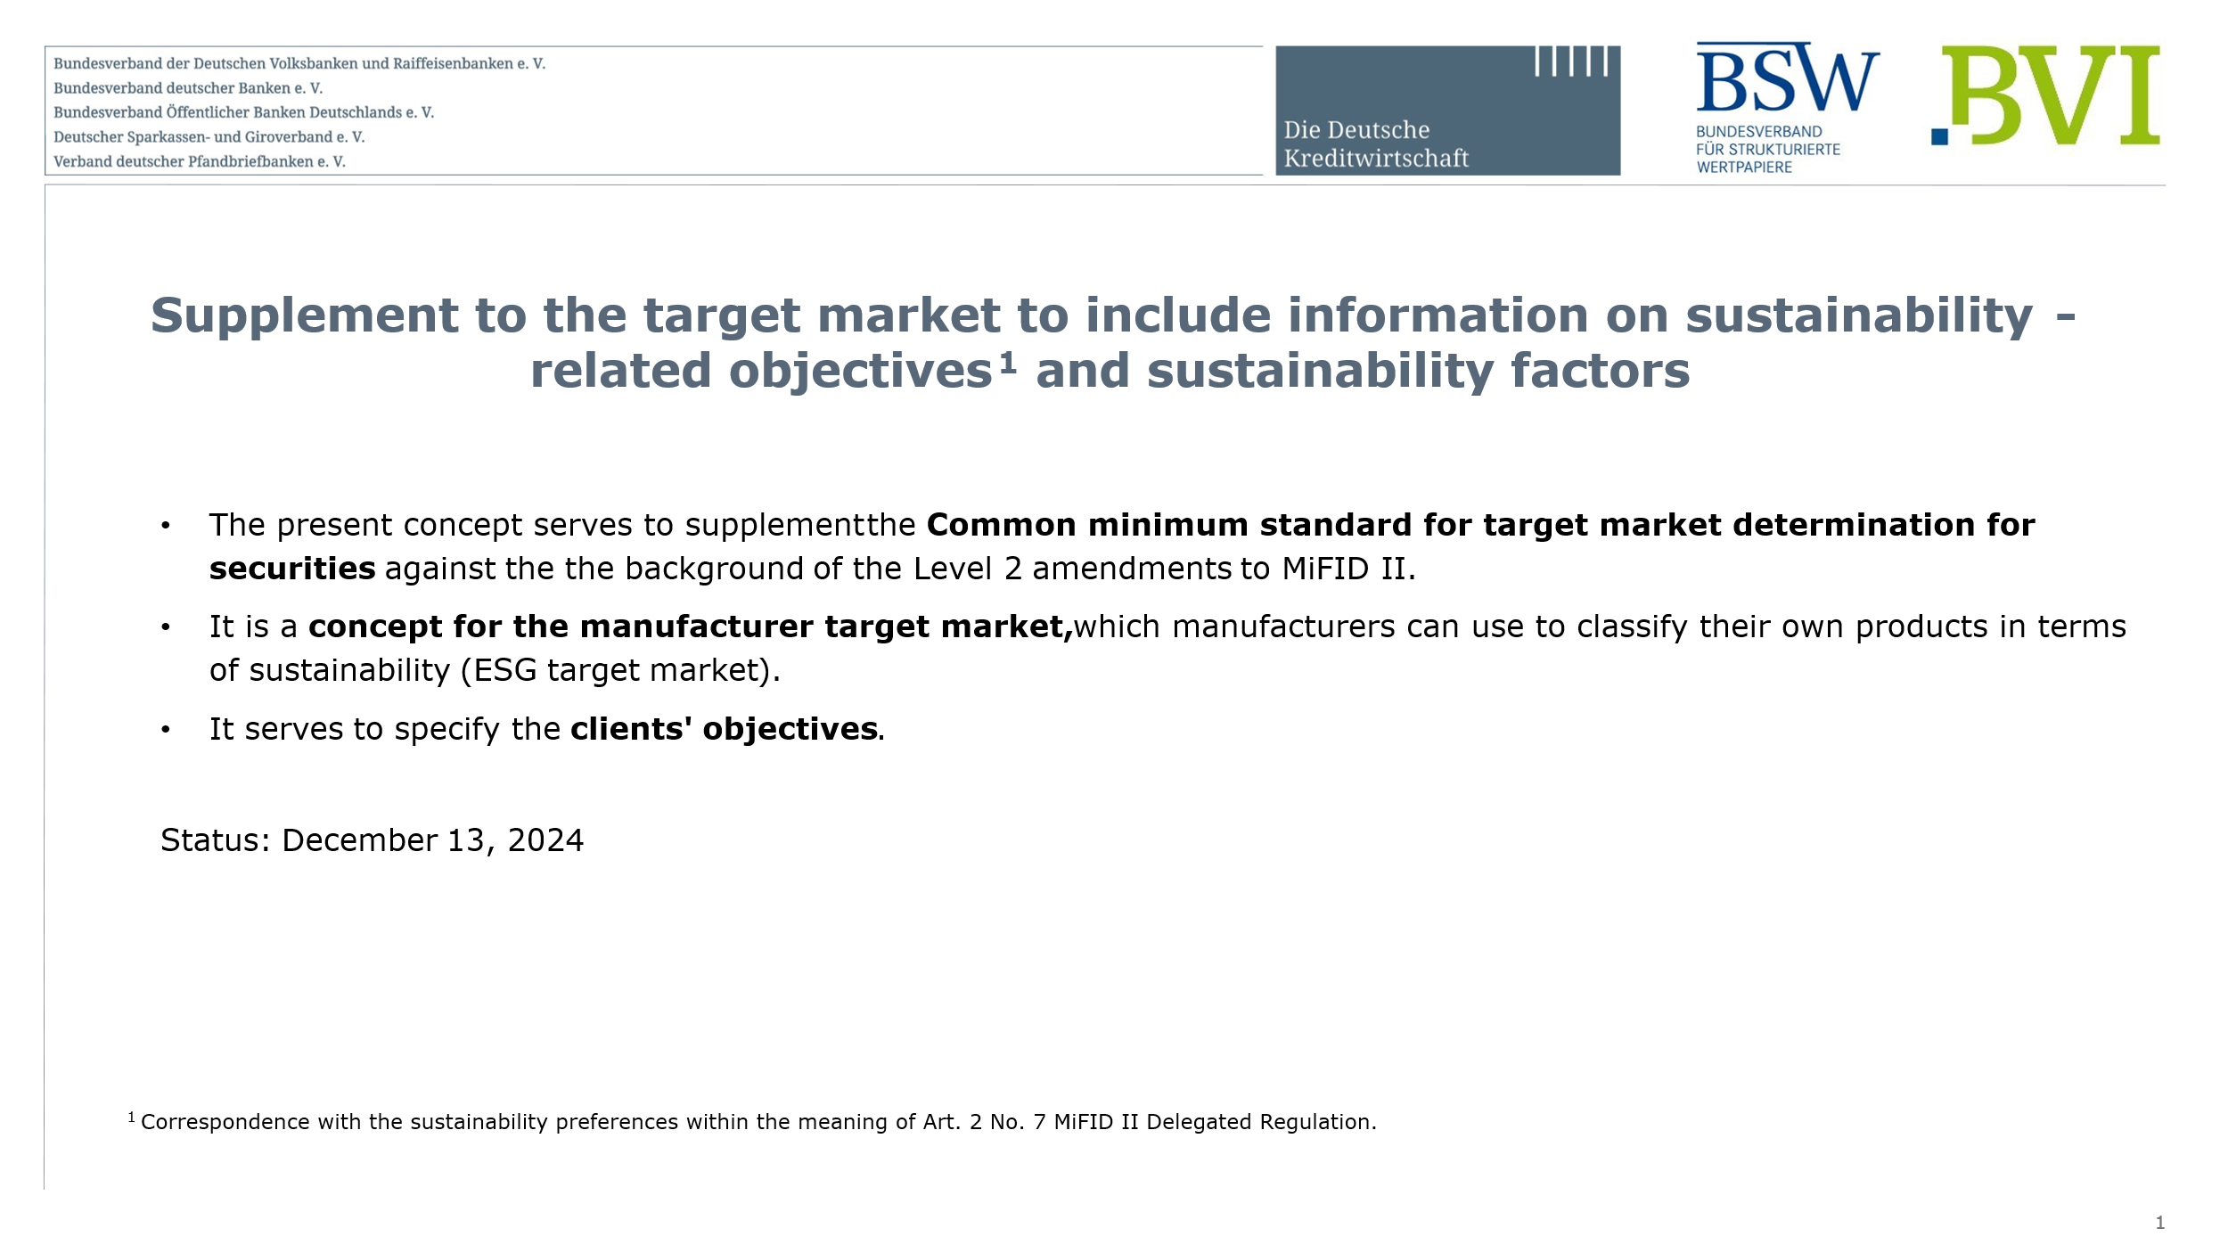
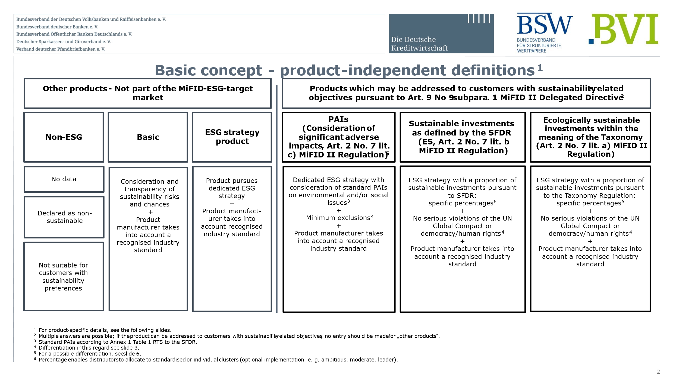
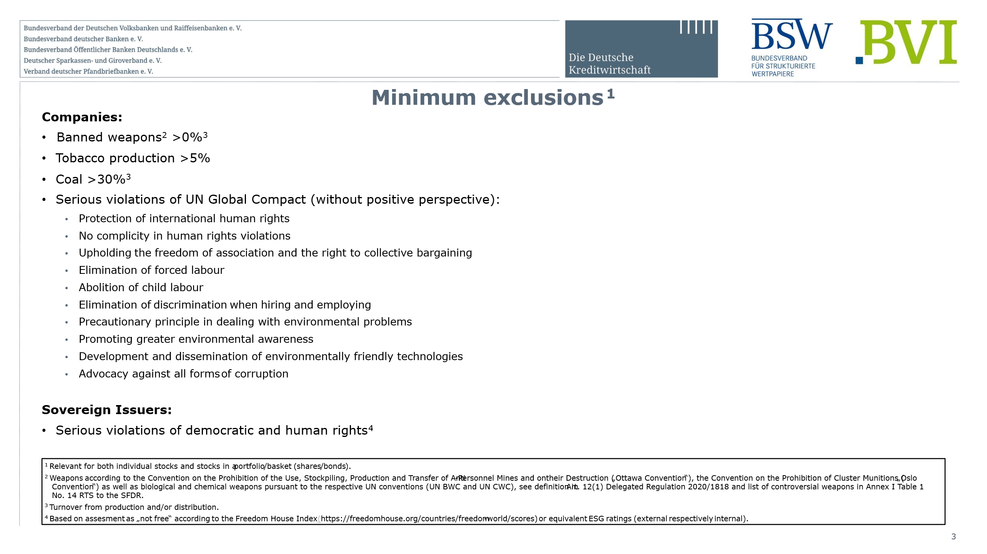
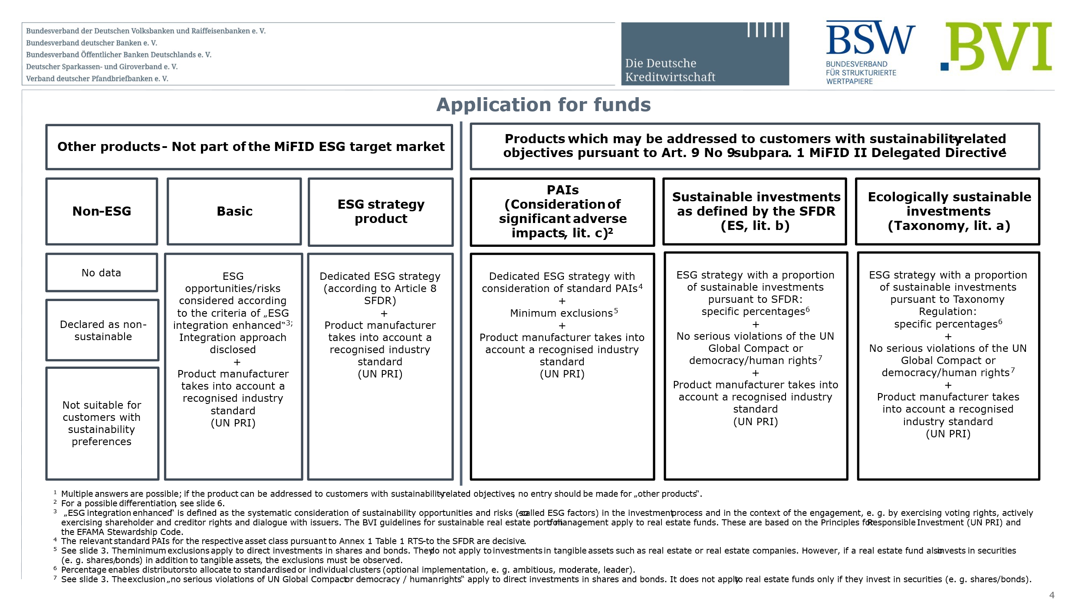
German Mifid Market

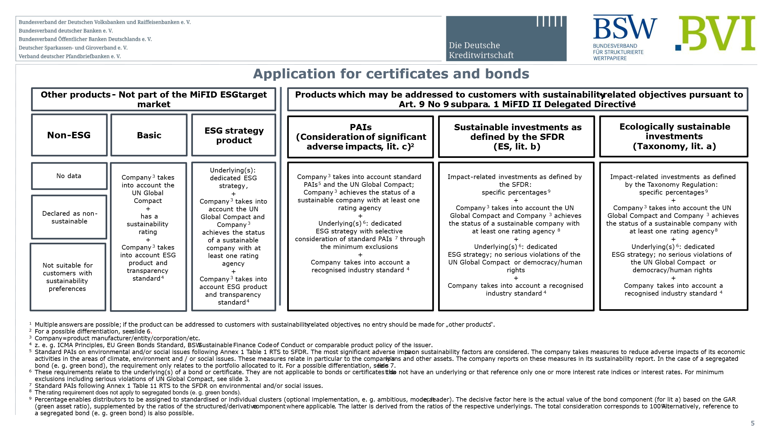
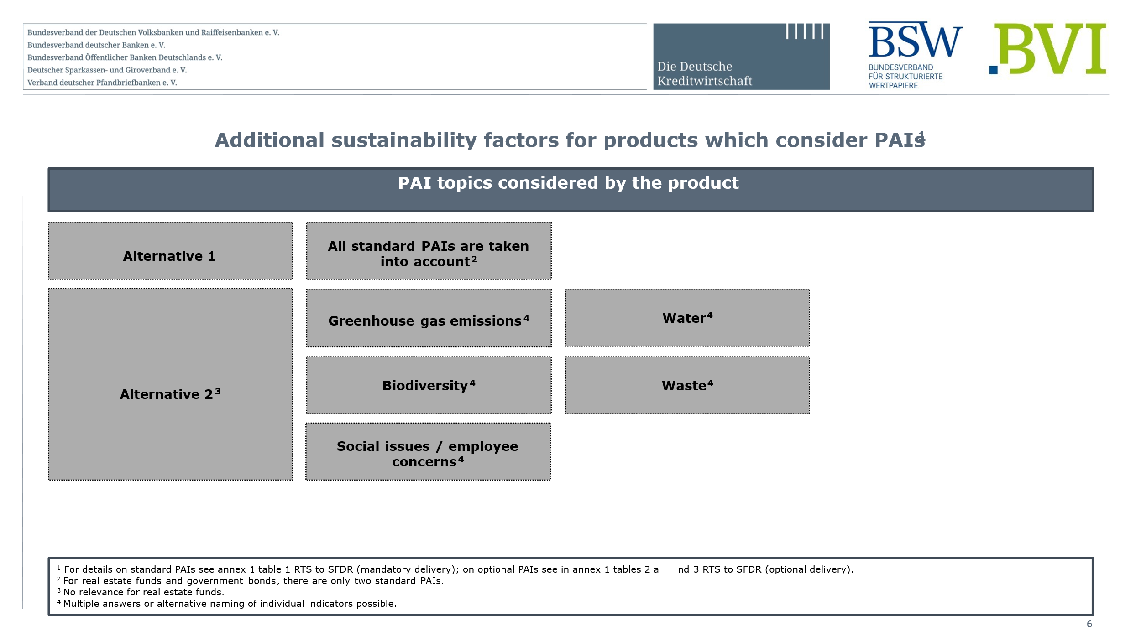
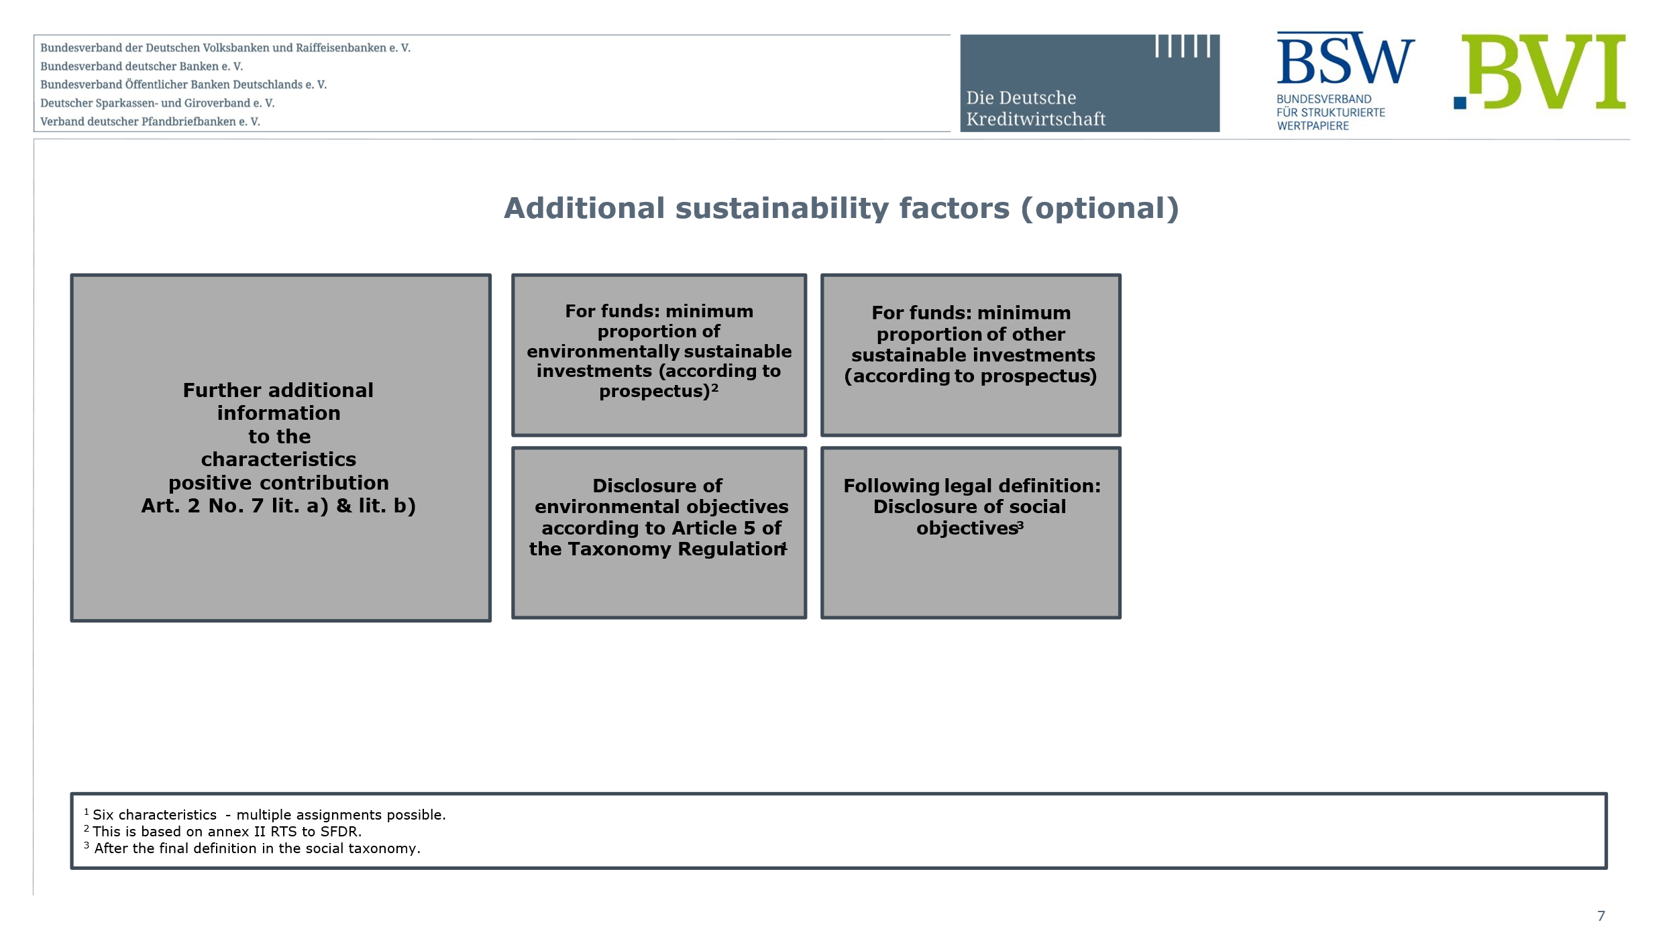
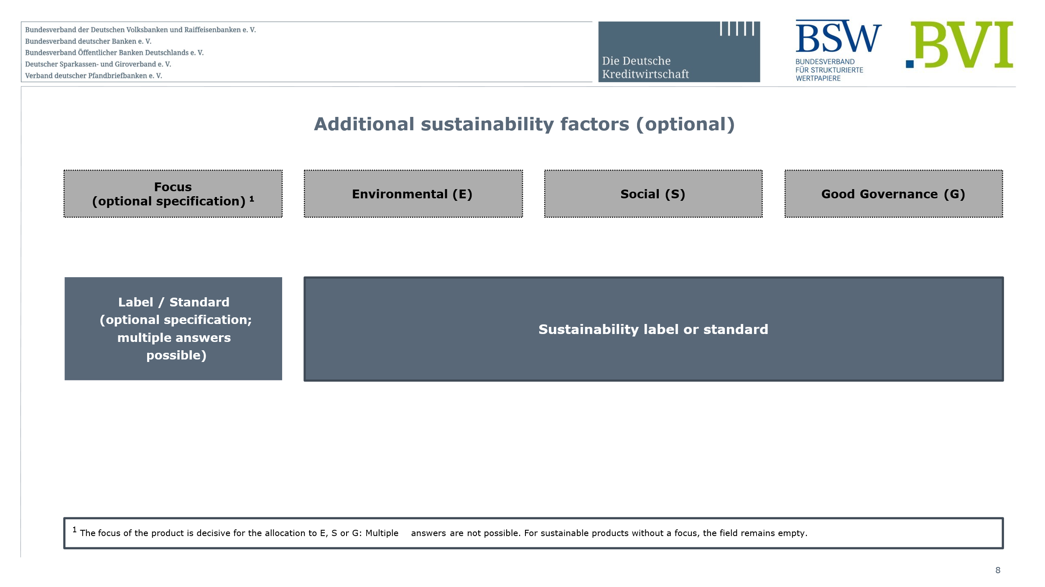

French Mifid Market

